Dashboard
Suplier Dashboard
Top Selling Product
skincare
Top Selling Product
Mumbai
Prafit in%
90.8%

Total Sales | Total Revenue | Shipment cost | Avg Amt of product | Availbility Product
₹ 761,849.99 | ₹ 577,604.82 | ₹ 554.81 | ₹ 761,849.99 | ₹ 4,840.00
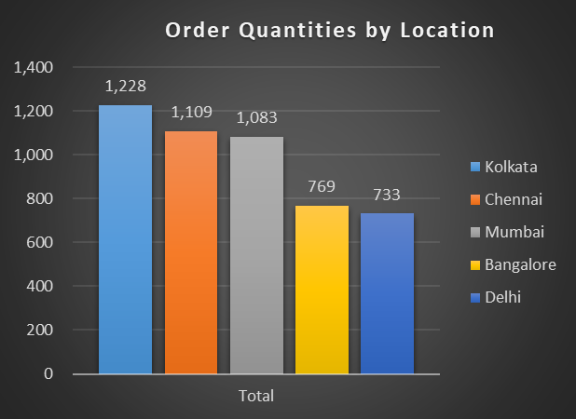
Revenue Generated by Product
 | Total
cosmetics | 161521.266
haircare | 174455.39061
skincare | 241628.16213

Revenue Generated by Location
 | Total
Mumbai | 137755.02688
Kolkata | 137077.55101
Chennai | 119142.81575
Bangalore | 102601.72388
Delhi | 81027.701225

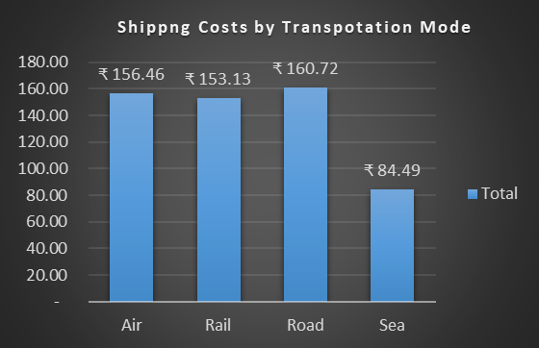
Product Sold by SKU
skincare | 963
skincare | 963
cosmetics | 705
skincare | 176

